Sheet1
PIONEER SERVICES

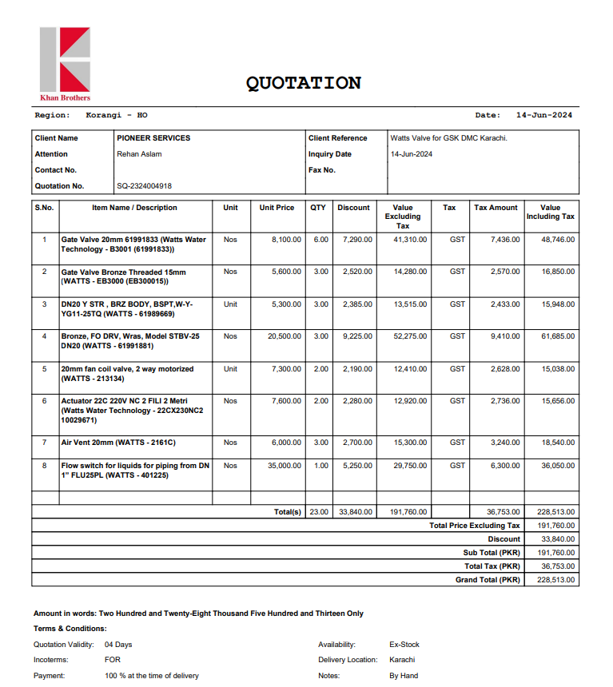

M/S Khan Brothers |  |  |  |  | 26-Jun-24

PO # 245 |  |  |  | NTN # 4312149-7
Att: Mr. Asim

PURCHASE ORDER

Supply of Watts Valves for the project (GSK Office DMC Karachi)
S No. | D e s c r i p t i o n | Qty | Unit | Rate | Amount
1 | Gate Valve 20mm 61991833 (Watts Water Technology - B3001 (61991833)) | 10 | Nos | 6,885 | 68,850 | 6,885 | 48746
2 | Gate Valve Bronze Threaded 15mm (WATTS - EB3000 (EB300015)) | 3 | Nos | 4,760 | 14,280 | 4,760 | 16850
3 | Bronze, FO DRV, Wras, Model STBV-25 DN20 (WATTS - 61991881) | 3 | Nos | 17,425 | 52,275 | 17,425 | 61685
4 | Air Vent 20mm (WATTS - 2161C) | 3 | Nos | 5,100 | 15,300 | 5,100 | 18054
 |  | TOTAL: |  |  | 150,705 |  | 145335
GST 18% |  |  |  |  | 27,127
Total amount |  |  |  |  | 177,832

for Pioneer Services

